1. Title Page
[Achievement 4: Instacart Analysis]

Project Name: Achievement 4: Instacart Analysis
Date:3 May 2022
Analyst Name: Melissa Kock

Contents:
Population Flow
Consistency checks
Wrangling steps
Column derivations
Visualizations
Recommendations

Data Sourcing:
Instacart data is used as part of open source datasets from Instacart, while the customer dataset which was created solely for
the purpose of this project

“The Instacart Online Grocery Shopping Dataset 2017”, Accessed from https://www.instacart.com/datasets/grocery-shopping-2017 on 1 May 2022

2. Population Flow
Title page

Population flow

Exclusion flag
Condition: max_order < 5
Obervations to be removed: 1440295
Final total count of order_products_all: 30964564

Orders_products_combined
Orders_products_merged
Orders_products_all

Total: 32404859
Total: 32434489
Total: 32404859

3. Consistency checks
 |  |  |  | Title page
Consistency checks

Dataset | Missing values | Missing values treatment | Duplicates
orders | 206209 missing values from the 'days_since_prior_order' column | Missing data was flagged as the customer's first order to remove the missing values | 0
products | 16 missing values from the 'product_name' column | removed missing values and exported dataset for future use | 5 duplicates found, they were removed
orders_products_prior | 0 | N/A | 0
customers | 0 | N/A | 0

4. Wrangling steps
 |  |  |  | Title page
Wrangling steps

Columns dropped | Columns renamed | Columns' type changed | Comment/Reason
eval_set |  |  | Did not provide any relevant information
 |  | order_id to string | The previous type was numeric, however order_id is used for identification instead of counts
 |  | user_id to string | The previous type was numeric, however order_id is used for identification instead of counts
 | Surnam to Surname |  | Spelling mistake corrected
 | STATE to state |  | Increased clarity
 | n_of_dependants to #_of _dependants |  | Increased clarity
 |  | first_name to string | Included mixed data types, changed to correct

5. Column derivations
 |  |  |  | Title page

Column derivations and aggregations

Dataset | New column | Column/s it was derived from | Conditions
orders_products_merged | price_range | prices | If prices <= 5, low range; if prices >5<=15, mid-range; if prices >15, high range.
orders_products_merged | busiest_day | order_dow | if value = 0, busiest day; if value = 4, least busy; else, regularly busy
orders_products_merged | busiest_days | order_dow | if value =0,=1, busiest days; if value =3,=4, slowest days; else, regularly busy
orders_products_merged | busiest_period_of_day | order_hour_of_day | if value =8 and <=18, most_orders; if value <=5, fewest orders; else, average orders
orders_products_merged | loyalty_flag | max_order | if max_order >40, loyal customer; if max_order <=40 and >10, regular customer; if max_order <=10, new customer
orders_products_merged | spending_flag | spending | if spending <10, low spender; if spending >= 10, high spender
orders_products_merged | frequency_flag | frequency | if frequency >20, non-frequent customer; if frequncy <=20 and >10, regular customer; if frequency <=10, frequent customer
orders_products_cust_merged | region | state | if state = Maine', 'New Hampshire', 'Vermont', 'Massachusetts', 'Rhode Island', 'Connecticut', 'New York', 'Pennsylvania', 'New Jersey'; Northeast; if state = Wisconsin', 'Michigan', 'Illinois', 'Indiana', 'Ohio', 'North Dakota', 'South Dakota', 'Nebraska', 'Kansas', 'Minnesota', 'Iowa', 'Missouri', Midwest; if state = 'Delaware', 'Maryland', 'District of Columbia', 'Virginia', 'West Virginia', 'North Carolina', 'South Carolina', 'Georgia', 'Florida', 'Kentucky', 'Tennessee', 'Mississippi', 'Alabama', 'Oklahoma', 'Texas', 'Arkansas', 'Louisiana'; south; else, west
orders_products_cust_merged | activity_flag | max_order | if max_order < 5, low activity; if max_order >=5 normal_to_high_activity
orders_products_cust_merged | age_group | age | if age <=30, young; if age >= 31 and <50, mid_aged; if age >=51, old
orders_products_cust_merged | income_group | income | if income <= 50000, low income; if income > 50000 and <110000, mid income; if income >=110000, high income
orders_products_cust_merged | dependants_group | #_of_dependants | if dependant =0, non-parent; if dependats >0, parent
orders_products_cust_merged | income_vs_dependats_loc | income; #_of_dependants | if low_income and parent, low income parent; if low income and nonparent, low income non parent; if mid income and parent, mid income parent; if mid income and nonparent, mid income nonparent; if high income and parent, high income parent; if high income and nonparent, high income nonparent
orders_products_cust_merged | age_vs_dependants_loc | age, #_of_dependants | if young and parent, young parent; if young and nonparent, young nonparent; if mid-aged and parent, midaged parent; if mid-aged and nonparent, midaged nonparent; if old and parent, old parent; if old and nonparent, old nonparent

6. Visualizations
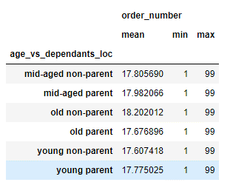
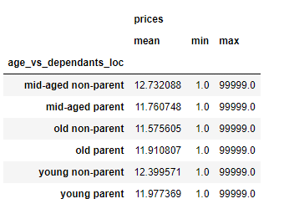
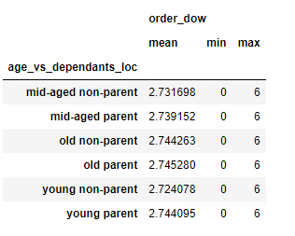
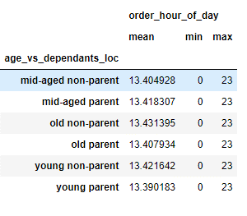
 |  |  |  |  |  |  |  |  |  |  |  | Title page

Visualisations

Business Questions

1. What are the busiest days of the week and hours of the day?
2. Are there particular times of the day people spend the most money?
3. Is there a way to use simpler price range groupings to help marketing and sales with their efforts?
4. Are there certain types of products more popular than others? Which departments have the highest frequency of product orders?
5. The marketing and sales teams are particularly interested in the different types of customers in their system and how their ordering behaviors differ.
 | 1. What's the distribution among users in regard to their brand loyalty (i.e., how often do they return to Instacart?)
 | 2. Are there differences in ordering habits based on a customer’s loyalty status?
 | 3. Are there differences in ordering habits based on a customer’s region?
 | 4. Is there a connection between age and family status in terms of ordering habits?
 | 5. What different classifications does the demographic information suggest? Age? Income? Certain types of goods? Family status?
 | 6. What differences can you find in ordering habits of different customer profiles?

1. What are the busiest days of the week and hours of the day?
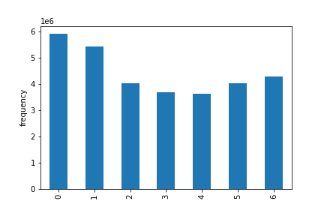
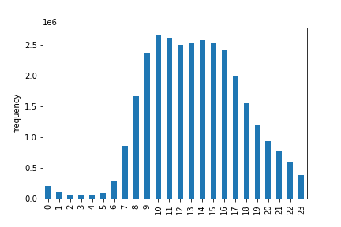
 |  |  | orders per day |  |  |  |  |  |  | orders per hour

Legend: | 0 - Saturday
 | 1 - Sunday
 | 2- Monday
 | 3 - Tuesday
 | 4 - Wednesday
 | 5 - Thursday
 | 6 - Friday

2. Are there particular times of the day people spend the most money?

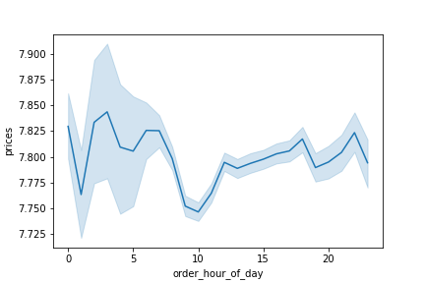
 | average prices per hour against the total orders per hour

3. Is there a way to use simpler price range groupings to help marketing and sales with their efforts?


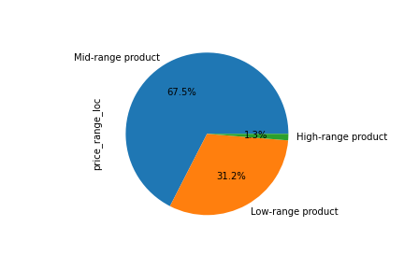
 |  | prices of products |  |  |  |  |  |  | price ranges of products

4. Are there certain types of products more popular than others? Which departments have the highest frequency of product orders?

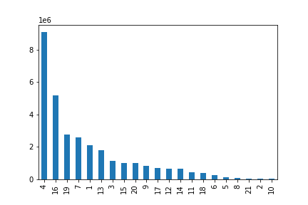
 |  |  | product popularity by department

 |  |  |  |  |  |  | Legend: departments
 |  |  |  |  |  |  | 1 | frozen |  | 12 | meat seafood
 |  |  |  |  |  |  | 2 | other |  | 13 | pantry
 |  |  |  |  |  |  | 3 | bakery |  | 14 | breakfast
 |  |  |  |  |  |  | 4 | produce |  | 15 | canned goods
 |  |  |  |  |  |  | 5 | alcohol |  | 16 | dairy eggs
 |  |  |  |  |  |  | 6 | international |  | 17 | household
 |  |  |  |  |  |  | 7 | beverages |  | 18 | babies
 |  |  |  |  |  |  | 8 | pets |  | 19 | snacks
 |  |  |  |  |  |  | 9 | dry goods pasta |  | 20 | deli
 |  |  |  |  |  |  | 10 | bulk |  | 21 | missing
 |  |  |  |  |  |  | 11 | personal care

 |  |  |  | departments

5.1 The marketing and sales teams are particularly interested in the different types of customers in their system and how their ordering behaviors differ.
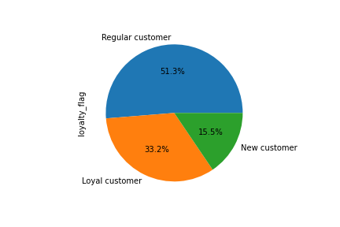

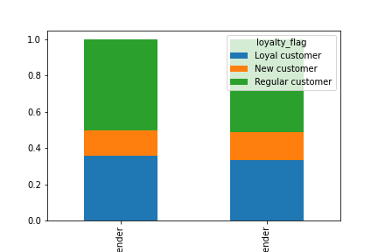
5.2 Are there differences in ordering habits based on a customer’s loyalty status?

 |  | high spender |  |  | low-spender

5.3 Are there differences in ordering habits based on a customer’s region?

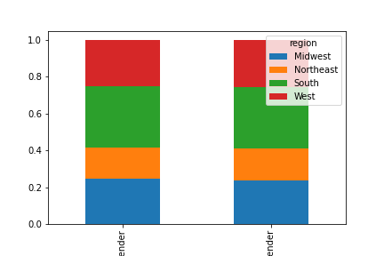

 |  | high spender |  |  | low-spender

5.4 Is there a connection between age and family status in terms of ordering habits?

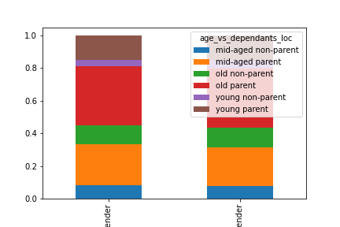

 |  | high spender |  |  | low-spender

5.5 What different classifications does the demographic information suggest? Age? Income? Certain types of goods? Family status?
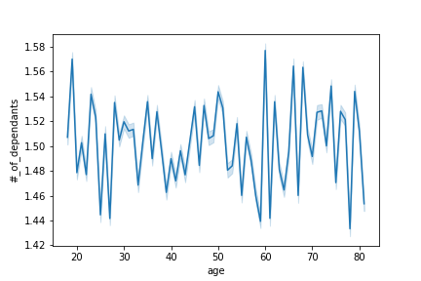

6. What differences can you find in ordering habits of different customer profiles?


 |  |  | age against income

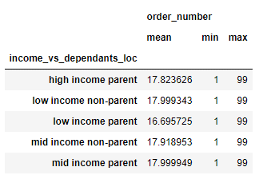
 |  | number of orders for customer profile 1 |  |  |  | prices of products purchased |  |  |  |  |  |  | day of week purchase was made | hour of day purchase was made

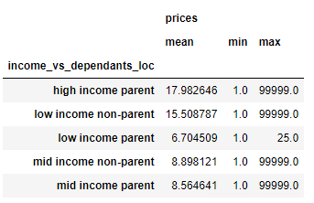
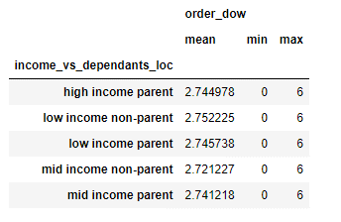
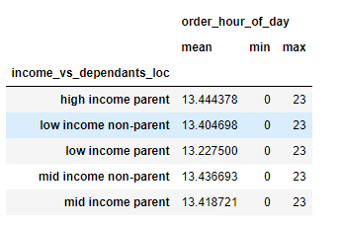

 |  | number of orders for customer profile 2 |  |  |  | prices of products purchased |  |  |  |  |  |  | day of week purchase was made | hour of day purchase was made

7. Recommendations
 |  |  |  |  |  |  |  |  |  |  |  | Title page

Visualisations

Business Questions

1. What are the busiest days of the week and hours of the day?
2. Are there particular times of the day people spend the most money?
3. Is there a way to use simpler price range groupings to help marketing and sales with their efforts?
4. Are there certain types of products more popular than others? Which departments have the highest frequency of product orders?
5. The marketing and sales teams are particularly interested in the different types of customers in their system and how their ordering behaviors differ.
 | 1. What's the distribution among users in regard to their brand loyalty (i.e., how often do they return to Instacart?)
 | 2. Are there differences in ordering habits based on a customer’s loyalty status?
 | 3. Are there differences in ordering habits based on a customer’s region?
 | 4. Is there a connection between age and family status in terms of ordering habits?
 | 5. What different classifications does the demographic information suggest? Age? Income? Certain types of goods? Family status?
 | 6. What differences can you find in ordering habits of different customer profiles?

1. What are the busiest days of the week and hours of the day?
 | Saturdays and Sundays are the busiest days for Instacart orders. Between 10 AM and 3PM Instacart recieves the most orders. I would recommend Instacart to run advertisements Tuesdays through to Fridays, as we would assume
 | most working individuals do their shopping over weekends, this would bring more attention to Instacart from potential customers before they plan their shopping for the coming weekend. I would suggest ads to run in the early evening when
 | working individuals are home and relaxed and it will not be an 'annoyance' during their working hours.

 |  |  | orders per day |  |  |  |  |  |  | orders per hour

Legend: | 0 - Saturday
 | 1 - Sunday
 | 2- Monday
 | 3 - Tuesday
 | 4 - Wednesday
 | 5 - Thursday
 | 6 - Friday

2. Are there particular times of the day people spend the most money?
 | The amount of money customers spend are average throughout the day, with lows being during the night, which is expected when people are sleeping, and around 8-10AM, which are most companies' core working hours, so this should not be a surprise.

 | average prices per hour against the total orders per hour

3. Is there a way to use simpler price range groupings to help marketing and sales with their efforts?
 | Mid range products: Between $5 and $15
 | Low range products: Below $5
 | High range products: Above $15

 | These easy to understand grouping can help the marketing team to immeadiatly associate a product with an estimated prices instead of having to look up products and their related prices, it can assist them in planning for sales etc.

 |  | prices of products |  |  |  |  |  |  | price ranges of products

4. Are there certain types of products more popular than others? Which departments have the highest frequency of product orders?
 | Certain products do see more sales than others, particulary household food items, such as produce, dairy, eggs and snacks. These items are used every day in most household and providing sales and additional benefits to the purchase of these
 | items could provide with more sales, on the other side, promoting less common items such as pastas or canned goods could drive up those sales to even out the overall sales on item types

 |  |  | product popularity by department

 |  |  |  |  |  |  | Legend: departments
 |  |  |  |  |  |  | 1 | frozen |  | 12 | meat seafood
 |  |  |  |  |  |  | 2 | other |  | 13 | pantry
 |  |  |  |  |  |  | 3 | bakery |  | 14 | breakfast
 |  |  |  |  |  |  | 4 | produce |  | 15 | canned goods
 |  |  |  |  |  |  | 5 | alcohol |  | 16 | dairy eggs
 |  |  |  |  |  |  | 6 | international |  | 17 | household
 |  |  |  |  |  |  | 7 | beverages |  | 18 | babies
 |  |  |  |  |  |  | 8 | pets |  | 19 | snacks
 |  |  |  |  |  |  | 9 | dry goods pasta |  | 20 | deli
 |  |  |  |  |  |  | 10 | bulk |  | 21 | missing
 |  |  |  |  |  |  | 11 | personal care

 |  |  |  | departments

5.1 The marketing and sales teams are particularly interested in the different types of customers in their system and how their ordering behaviors differ.
 | Customers were gouped into how often they order from Instacart. Loyal customers showed more than 40 orders, regular customers, between 10 and 40 orders and new customer we grouped with less than 10 orders
 | Giving customers rewards depening on their loyalty level could show in increase in customer retention and improve their percentage of loyal customer. Also giving rewards to new customers could assist in their return.
 | Rewarding customers for being a part of the Instacart community could show them that the company cares and the longer they stay loyal the better rewards they get.

5.2 Are there differences in ordering habits based on a customer’s loyalty status?
 | Regular customers tend to make the most purchases, with loyal customers close behind them. New customers make fairly small purchases, which is to be expected. Rewarding these new customers could assist with these totals
 | There is however no difference in the high and low spenders within their loyalty groups.

 |  | high spender |  |  | low-spender

5.3 Are there differences in ordering habits based on a customer’s region?
 | It is shown that the customers in the South make the most orders, but looking at the size of their population, this is not a surprise. The South is the region with the largest Instacart customer base, and focusing marketing efforts there could increase the numbers further
 | The Northwest has the least amount of orders, which is also to be expected, since the are the smalles population of Instacart customers.

 |  |  |  |  |  |  |  | customer populations by region

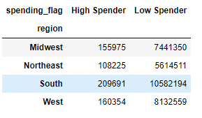

 |  | high spender |  |  | low-spender

5.4 Is there a connection between age and family status in terms of ordering habits?
 | There is a clear connection between family status and ordering habits. In each of the age groups we created, the individuals who have dependants then to order more, which is exactly what we should expect, since they are ordering for multiple people within their household.
 | On the other side, the individuals who have no depedants, are only ordering for themselves, so they are ordering cosiderably less.

 |  | high spender |  |  | low-spender

5.5 What different classifications does the demographic information suggest? Age? Income? Certain types of goods? Family status?
 | Classifications can be made to compare income, age family status, and the products they buy. We looked closely at income, age and family status and how these compare with eachother and their spending habits.
 | It can be seen below that number of orders do no generally vary between groups of people, however the amount of money they spend do vary, with high income parents spending the most.
 | Comparisons were also made with age groups and number of dependants, however when comparing the values were not as significantly different from eachother and age does no make as big a difference in spending habits.
 | Overall when clients spend their money does not vary and is generally around the overall average discussed earlier.

 |  | number of orders for customer profile 1 |  |  |  | prices of products purchased |  |  |  |  |  |  | day of week purchase was made | hour of day purchase was made

 |  | number of orders for customer profile 2 |  |  |  | prices of products purchased |  |  |  |  |  |  | day of week purchase was made | hour of day purchase was made

6. What differences can you find in ordering habits of different customer profiles?
 | This question links up well with the previous and additional answers can be seen there, however we do see that individuals above 40 tend to have a much higher income, which could lead to that age group spending more money in general

 |  |  | income against age

